Conditional Formatting
SOLUTION - Conditional Formatting

 | The table shows the Gross profit values of the seven biggest companies in industry X.

1. | Sample answer: 0% and 5% (typed as 0 and 0.05 in the respective Number fields!).

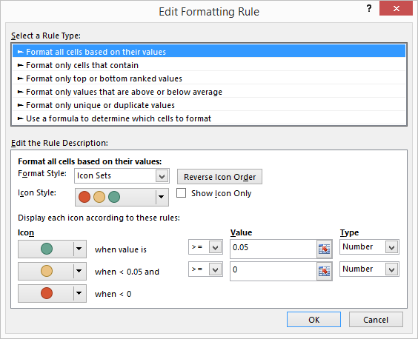

 | Industry X

 |  |  |  |  | Var 15-16 | Var 16-17
 | $ in mln. | 2015 | 2016 | 2017
 | Company A | 5.50 | 6.00 | 6.20 | 9% | 3%
 | Company B | 5.70 | 6.20 | 6.15 | 9% | -1%
 | Company C | 4.80 | 7.40 | 5.10 | 54% | -31%
 | Company D | 6.70 | 6.50 | 7.90 | -3% | 22%
 | Company E | 4.40 | 5.50 | 4.40 | 25% | -20%
 | Company F | 6.60 | 6.50 | 6.20 | -2% | -5%
 | Company G | 5.20 | 5.40 | 5.70 | 4% | 6%

2. | Sample answer: -2% and 2% (typed as -0.02 and 0.02 in the respective Number fields!).



 | Industry X

 |  |  |  |  | Var 15-16 | Var 16-17
 | $ in mln. | 2015 | 2016 | 2017
 | Company A | 5.50 | 6.00 | 6.20 | 9% | 3%
 | Company B | 5.70 | 6.20 | 6.15 | 9% | -1%
 | Company C | 4.80 | 7.40 | 5.10 | 54% | -31%
 | Company D | 6.70 | 6.50 | 7.90 | -3% | 22%
 | Company E | 4.40 | 5.50 | 4.40 | 25% | -20%
 | Company F | 6.60 | 6.50 | 6.20 | -2% | -5%
 | Company G | 5.20 | 5.40 | 5.70 | 4% | 6%

